KPIS
 |  |  | Attrition | Yes | Attrition | Yes

TOTAL EMPLOYEES | AVEARGE AGE |  | TOTAL ATTRITION |  | JobRole | Average of MonthlyIncome
1470 | 37 |  | 237 |  | Healthcare Representative | 8548.2222222
 |  |  |  |  | Human Resources | 3715.75
 |  |  |  |  | Laboratory Technician | 2919.2580645
Total Employees | Total Attrition | Average Age | Attrition Rate | Active Employees | Manager | 16797.4
1470 | 237 | 37 | 16% | 1233 | Manufacturing Director | 7365.5
 |  |  |  |  | Research Director | 19395.5
 |  |  |  |  | Research Scientist | 2780.4680851
 |  |  |  |  | Sales Executive | 7489
Gender | Count of EmployeeNumber |  |  |  | Sales Representative | 2364.7272727
Female | 588 |  |  |  | Grand Total | 4787.092827
Male | 882
Grand Total | 1470

Female | 588 | 40%
Male | 882 | 60%

AGE WISE ATTRITION
Attrition | Yes | Attrition | Yes

Gender | Count of Attrition | AGE-BAND | Count of Attrition
Female | 87 | 10-20 | 16
Male | 150 | 21-30 | 84
Grand Total | 237 | 31-40 | 85
 |  | 41-50 | 34
GENDER WISE ATTRITION |  | 51-60 | 18
 |  | Grand Total | 237

 |  | AGE WISE ATTRITION

DEPART-WISE
Attrition | Yes

Department | Count of Attrition | DEPARTMENT | COUNT OF ATTRITION
Human Resources | 12 | Human Resources | 12
Research & Development | 133 | Research & Development | 133
Sales | 92 | Sales | 92
Grand Total | 237

DEPARTMENT WISE ATTRITION

SATISFACTION
Attrition | (All) | Attrition | Yes

JobSatisfaction | Count of Attrition | EnvironmentSatisfaction | Count of Attrition
1 | 289 | 1 | 72
2 | 280 | 2 | 43
3 | 442 | 3 | 62
4 | 459 | 4 | 60
Grand Total | 1470 | Grand Total | 237

Average of JobSatisfaction | Average of RelationshipSatisfaction
2.7 | 2.7 | Attrition | Yes

 |  | RelationshipSatisfaction | Count of Attrition
 |  | 1 | 57
 | AVERAGE JOB SATISFACTION | 2 | 45
 | 2.7 | 3 | 71
 |  | 4 | 64
 |  | Grand Total | 237

DASHBOARD
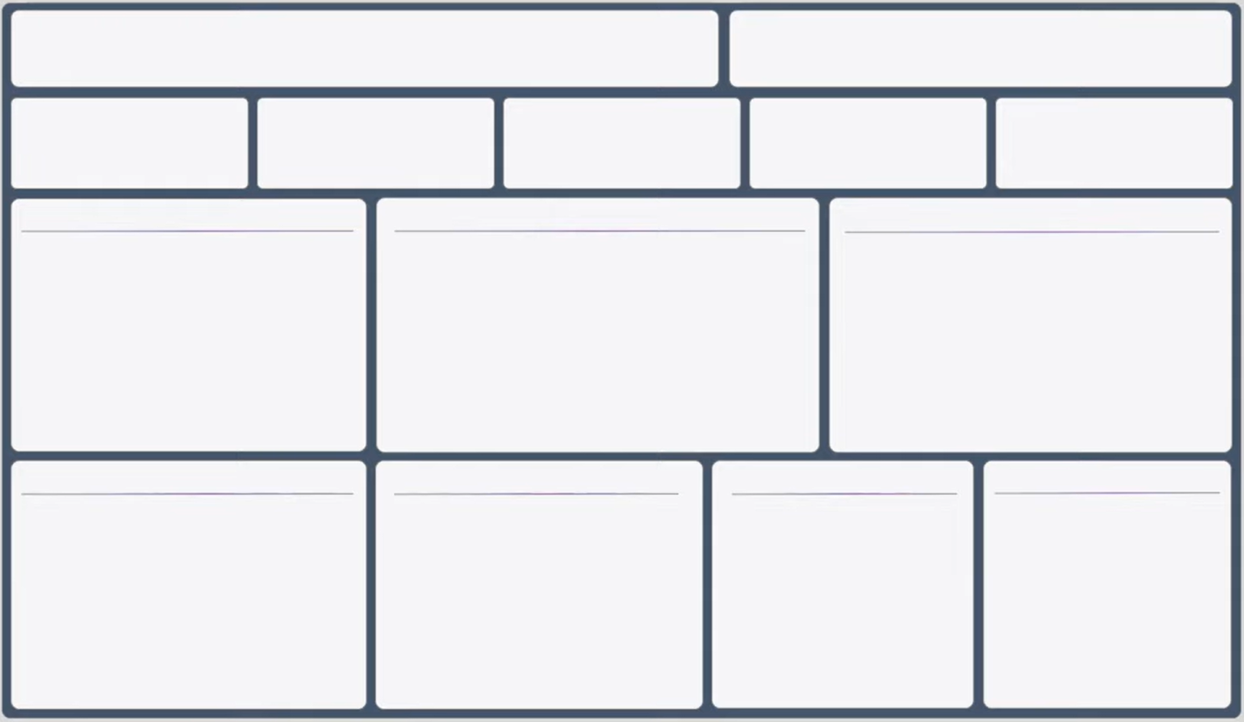
HR ANALYTICS DASHBOARD
AVERAGE
JOB
SATISFACTION
 | AVERAGE JOB SATISFACTION
 | 2.7
2.7

Total Employees
Total Attrition
Active Employees
Attrition Rate
Average Age

1470
237
1233
16%
37

Total Employees By Gender
AGE BAND WISE ATTRITION

 | Total
10-20 | 16
21-30 | 84
31-40 | 85
41-50 | 34
51-60 | 18

 | 40%
 | 60%
 | 40%
 | 60%

40%

DEPARTMENT WISE ATTRITION
GENDER WISE ATTRITON
EDUCATION FIELD WISE ATTRITION
 | Total
Female | 87
Male | 150
 | COUNT OF ATTRITION
Human Resources | 12
Research & Development | 133
Sales | 92

